CK TEE
Picture | Style | Color | Description | Composition | Gender | XS | S | M | L | XL | Total | RRP | Wholesale
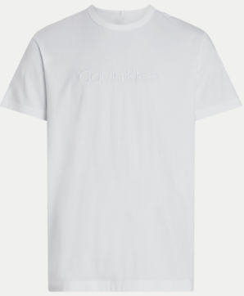 | 000NM2748E100 | 100 CLASSIC WHITE | S/S CREW NECK | 100% Cotton | Men |  |  | 1200 | 1600 | 1200 | 4000 | € 34.90 | € 14.10
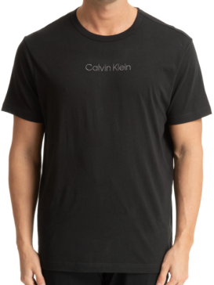 | 000NM2748EUB1 | UB1 BLACK | S/S CREW NECK | 100% Cotton | Men |  |  | 1200 | 1600 | 1200 | 4000 | € 34.90 | € 14.10
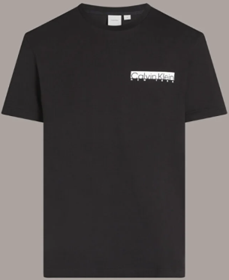 | K10K113800BEH | BEH Ck Black | NY CHEST BOX LOGO T-SHIRT | 100% Cotton | Men |  |  | 1333 | 1333 | 1333 | 3999 | € 34.90 | € 14.10
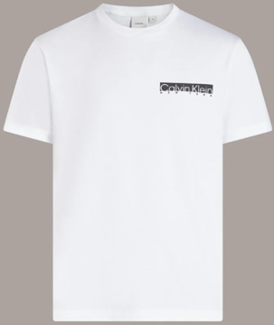 | K10K113800YAF | YAF Bright White | NY CHEST BOX LOGO T-SHIRT | 100% Cotton | Men |  |  | 1333 | 1333 | 1333 | 3999 | € 34.90 | € 14.10
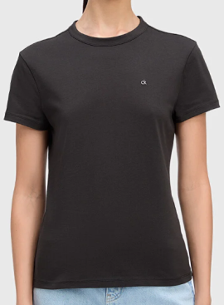 | K20K208061BEH | BEH Ck Black | CK EMB GRAPHIC SLIM T-SHIRT | 100% Cotton | Women | 1333 | 1333 | 1333 |  |  | 3999 | € 34.90 | € 14.10
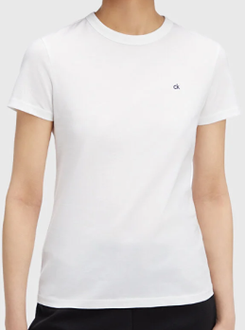 | K20K208061YAF | YAF Bright White | CK EMB GRAPHIC SLIM T-SHIRT | 100% Cotton | Women | 1333 | 1333 | 1333 |  |  | 3999 | € 34.90 | € 14.10
 |  |  |  |  |  |  |  |  |  |  | 23996

